How to use this spreadsheet
Scroll along the bottom tabs to find the block you are interested in

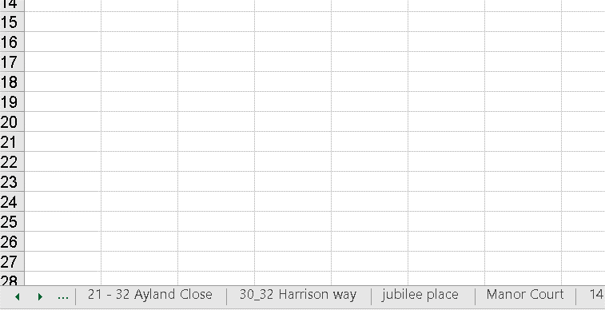

Click on relevant tab which will bring up the block
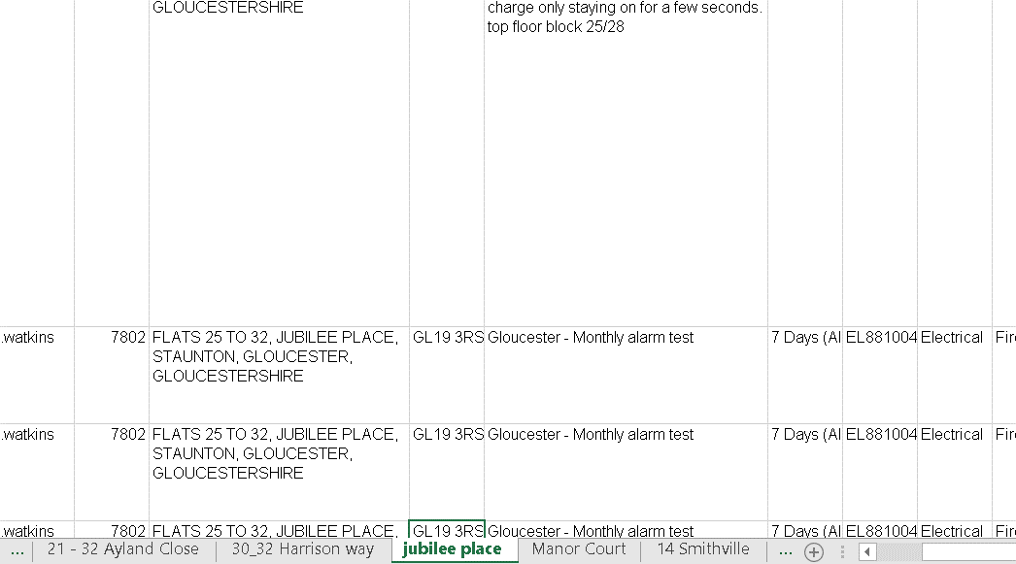

scroll along page to see details of repairs. The collumn in green is the cost

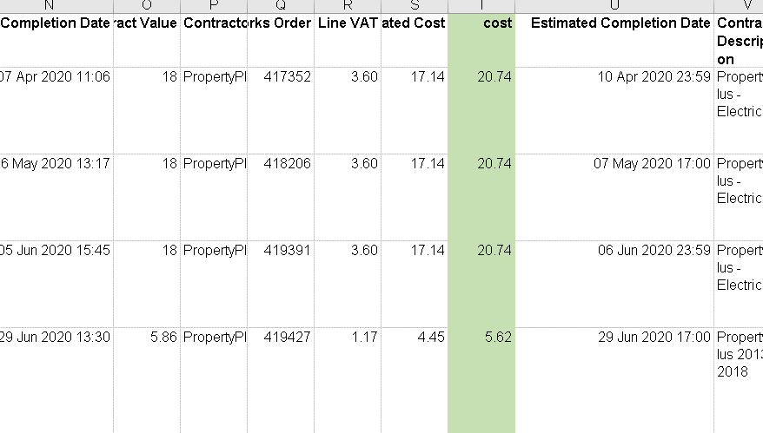

use your mouse to scroll up and down the page, or the slider to move across collumns

